PERSONAL BUDGET
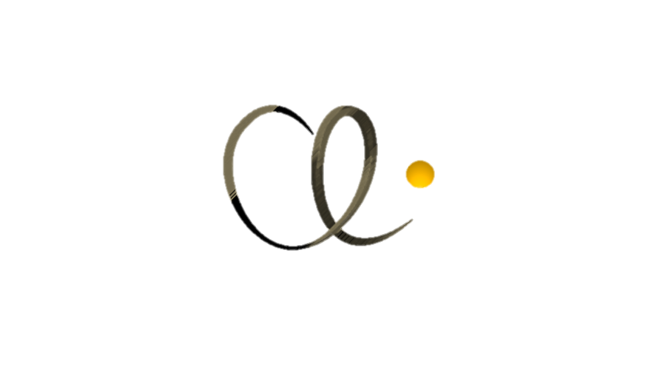

[insert year]
FINANCIAL FREEDOM PLAN

 |  | JAN | FEB | MAR | APR | MAY | JUN | JUL | AUG | SEP | OCT | NOV | DEC | YEAR | GRAPH
 | BALANCE B/FWD |  | ₦- | ₦- | ₦- | ₦- | ₦- | ₦- | ₦- | ₦- | ₦- | ₦- | ₦-
 | REVENUE | ₦2.00 | February | March | April | May | June | July | August | September | October | November | December | Year | Sparkline
 | INCOME STREAM 1 |  |  |  |  |  |  |  |  |  |  |  |  | ₦-
 | INCOME STREAM 2 |  |  |  |  |  |  |  |  |  |  |  |  | ₦-
 | INCOME STREAM 3 |  |  |  |  |  |  |  |  |  |  |  |  | ₦-
 | Total | ₦- | ₦- | ₦- | ₦- | ₦- | ₦- | ₦- | ₦- | ₦- | ₦- | ₦- | ₦- | ₦-

 | CHARITABLE DONATIONS/TITHE | JAN | FEB | MAR | APR | MAY | JUN | JUL | AUG | SEP | OCT | NOV | DEC | YEAR
 | Column1 | January | February | March | April | May | June | July | August | September | October | November | December | Year | Sparkline
 |  |  |  |  |  |  |  |  |  |  |  |  |  | ₦-
 |  |  |  |  |  |  |  |  |  |  |  |  |  | ₦-
 |  |  |  |  |  |  |  |  |  |  |  |  |  | ₦-
 |  |  |  |  |  |  |  |  |  |  |  |  |  | ₦-
 |  |  |  |  |  |  |  |  |  |  |  |  |  | ₦-
 | Total | ₦- | ₦- | ₦- | ₦- | ₦- | ₦- | ₦- | ₦- | ₦- | ₦- | ₦- | ₦- | ₦-

 | IMMEDIATE EXPENSES | January | February | March | April | May | June | July | August | September | October | November | December | Year | Sparkline
 | Groceries |  |  |  |  |  |  |  |  |  |  |  |  | ₦-
 | Rent |  |  |  |  |  |  |  |  |  |  |  |  | ₦-
 | Mobile Phone |  |  |  |  |  |  |  |  |  |  |  |  | ₦-
 | Internet |  |  |  |  |  |  |  |  |  |  |  |  | ₦-
 | Electricity |  |  |  |  |  |  |  |  |  |  |  |  | ₦-
 | Gas |  |  |  |  |  |  |  |  |  |  |  |  | ₦-
 | Generator |  |  |  |  |  |  |  |  |  |  |  |  | ₦-
 | Water |  |  |  |  |  |  |  |  |  |  |  |  | ₦-
 | Transportation |  |  |  |  |  |  |  |  |  |  |  |  | ₦-
 | Car Maintenance |  |  |  |  |  |  |  |  |  |  |  |  | ₦-
 | Home Maintenance |  |  |  |  |  |  |  |  |  |  |  |  | ₦-
 | Insurance |  |  |  |  |  |  |  |  |  |  |  |  | ₦-
 | Medical |  |  |  |  |  |  |  |  |  |  |  |  | ₦-
 | Subscriptions |  |  |  |  |  |  |  |  |  |  |  |  | ₦-
 | Domestic Staff Costs |  |  |  |  |  |  |  |  |  |  |  |  | ₦-
 | Total | ₦- | ₦- | ₦- | ₦- | ₦- | ₦- | ₦- | ₦- | ₦- | ₦- | ₦- | ₦- | ₦-

 | DEBT PAYMENTS | January | February | March | April | May | June | July | August | September | October | November | December | Year | Sparkline
 |  |  |  |  |  |  |  |  |  |  |  |  |  | ₦-
 |  |  |  |  |  |  |  |  |  |  |  |  |  | ₦-
 |  |  |  |  |  |  |  |  |  |  |  |  |  | ₦-
 |  |  |  |  |  |  |  |  |  |  |  |  |  | ₦-
 |  |  |  |  |  |  |  |  |  |  |  |  |  | ₦-
 |  |  |  |  |  |  |  |  |  |  |  |  |  | ₦-
 | Total | ₦- | ₦- | ₦- | ₦- | ₦- | ₦- | ₦- | ₦- | ₦- | ₦- | ₦- | ₦- | ₦-

 | OPTIONAL EXPENSES | Column1 | Column2 | Column3 | April | May | June | July | August | September | October | November | December | Year | Sparkline
 | Clothing |  |  |  |  |  |  |  |  |  |  |  |  | ₦-
 | Look-Good Money |  |  |  |  |  |  |  |  |  |  |  |  | ₦-
 | Fitness |  |  |  |  |  |  |  |  |  |  |  |  | ₦-
 | Education |  |  |  |  |  |  |  |  |  |  |  |  | ₦-
 | Vacation |  |  |  |  |  |  |  |  |  |  |  |  | ₦-
 | Dining Out |  |  |  |  |  |  |  |  |  |  |  |  | ₦-
 | Fun Money |  |  |  |  |  |  |  |  |  |  |  |  | ₦-
 | Total | ₦- | ₦- | ₦- | ₦- | ₦- | ₦- | ₦- | ₦- | ₦- | ₦- | ₦- | ₦- | ₦-

 | SAVINGS | ₦22.00 | Column2 | Column3 | April | May | June | July | August | September | October | November | December | Year | Sparkline
 | Emergency Fund |  |  |  |  |  |  |  |  |  |  |  |  | ₦-
 | Holiday Fund |  |  |  |  |  |  |  |  |  |  |  |  | ₦-
 | Investment Fund |  |  |  |  |  |  |  |  |  |  |  |  | ₦-
 | Total | ₦- | ₦- | ₦- | ₦- | ₦- | ₦- | ₦- | ₦- | ₦- | ₦- | ₦- | ₦- | ₦-

 | BALANCE C/FWD | ₦- | ₦- | ₦- | ₦- | ₦- | ₦- | ₦- | ₦- | ₦- | ₦- | ₦- | ₦- | ₦-

